SKUs
 |  |  |  |  |  |  | € 642,000.00 | 600 | SIZING
Image 1 | Image 2 | Product code | Color Code | Color | Name | Made in | RRP | Total units | 46 | 48 | 50-52 | 54 | 56-58
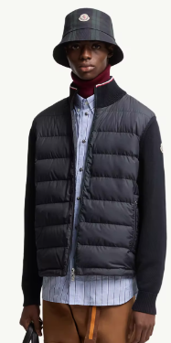 | 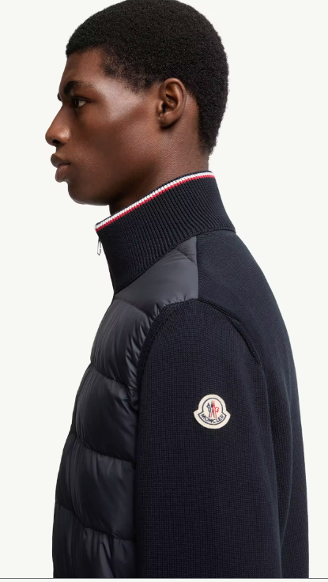 | K20919B00003M1367 | 999 | Black | Cardigan imbottito in cotone con zip | Moldavia | 990 | 150 | 25 | 30 | 60 | 20 | 15
 |  | K20919B00003M1367 | 776 | Navy | Cardigan imbottito in cotone con zip | Moldavia | 990 | 150 | 25 | 30 | 60 | 20 | 15
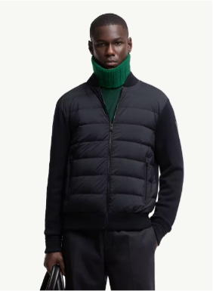 | 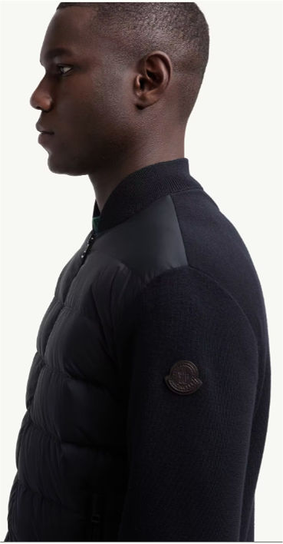 | K20919B00015M1131 | 999 | Black | Cardigan imbottito in lana con zip | Moldavia | 1150 | 150 | 25 | 30 | 60 | 20 | 15
 |  | K20919B00015M1131 | 776 | Navy | Cardigan imbottito in lana con zip | Moldavia | 1150 | 150 | 25 | 30 | 60 | 20 | 15

